Cover
Metro Transportation System Management and Operations Project Solicitation: Application Forms
Complete an application by entering information in the blue cells on the following workbook tabs.
Applications Due: Monday, Sept. 23, 2019 by close of business
Submit via email to: Pamela.Blackhorse@oregonmetro.gov

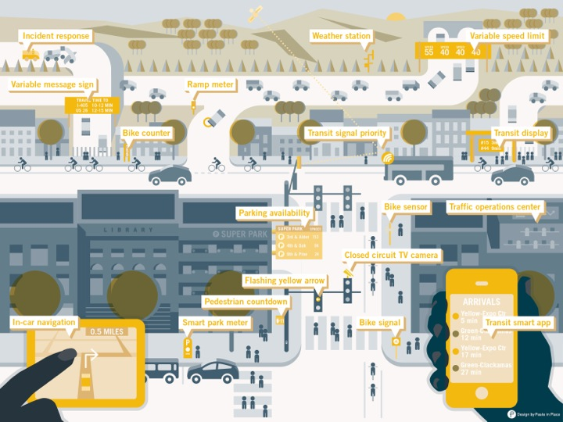
What does a TSMO project look like?
A TSMO project is a system or capability used by transportation operators to improve the reliability and efficiency for people and goods movement. Unlike a new light rail line, bike lane, bridge or road improvement, TSMO projects are often invisible but form a digital infrastructure for the region.
The image here shows many of the elements in use by operators today. You'll notice many technologies that are connected through data communications. Rapid advancements over the last several years have made this image somewhat dated. New technologies and data communications not shown here can be applied to the challenges operators and travelers face today. As capabilities grow, additional strategies can be used in our region. A sample list of these is below.
Your project proposal may be the start of something new!

Sample list of additional technologies, data communications and strategies that might serve in implementing TSMO: | Category
Artificial Intelligence | Technology
Automated Traffic Signal Performance Measures (ATSPM) | Technology
Automated Vehicles (AV) | Technology
Computer Vision | Technology
Connected Vehicles (CV) | Technology
Crowdsourcing | Technology
Internet of Things (IoT) | Technology
Next Gen Transit Signal Priority | Technology
Radar, infrared, LiDAR and other detection | Technology
Transit Network Companies (TNCs) | Technology
Unmanned Aerial Vehicles (UAVs) | Technology
Active Transportation Demand Management (ATDM) | Strategy
Gamification | Strategy
Mobility as a Service (MaaS) | Strategy
Mobility on Demand (MOD) | Strategy
Multimodal Integrated Corridor Management | Strategy
Shared mobility | Strategy
4G/LTE | Communications
5G/Small Cell | Communications
Dedicated Short-Range Communications (DSRC) | Communications
Dense Wavelength Division Multiplexing (DWDM) | Communications
Blockchain (Distributed Ledger) | Communications

CapablityMaturity
Capability Maturity Level definitions:
Performed: Activities and relationships ad-hoc; champion driven
Managed: Processes developing; staff training, limited accountability
Integrated: Process documented, performance measured; organization/partners aligned; program budgeted
Optimized: Performance based improvement, formal program; formal partnerships
Source: https://ops.fhwa.dot.gov/tsmoframeworktool/tool/traffic_mgmt/data/users_guide.htm#levels
Which capability(ies) will this project support or advance to the next level? | Support/Next Level/Not applicable
TSMO Planning and Programming, Level 3: Integrated* | (describe)
TSMO Systems and Technology, Level 3: Integrated* | (describe)
TSMO Performance Measurement, Level 1: Performed* | (describe)
TSMO Culture, Level 2.5: Managed* | (describe)
TSMO Collaboration with Incident Management, Level 1: Performed* | (describe)
TSMO Collaboration with Traffic Operations, Level 3: Integrated* | (describe)
Traffic Management Business Processes, Level 3 Integrated | (describe)
Traffic Management Systems & Technology, Level 3: Integrated | (describe)
Traffic Management Performance Measurement, Level 3: Integrated | (describe)
Traffic Management Organization & Workforce, Level 2: Managed | (describe)
Traffic Management Culture, Level 3: Integrated | (describe)
Traffic Management Collaboration, Level 3: Integrated | (describe)

*TSMO Capability Maturity 2012
**Regional Traffic Management CMF May 2016

Six capability dimensions:
Business Process
Systems and Technology
Performance Management
Organization and Workforce
Culture
Collaboration
Does the project support or advance other capability areas not rated yet for the greater Portland region? Note that each of these breaks out into six capability dimensions listed to the right that can be referred to in a description. | Describe applicable dimensions and, if applicaple, lead (and project partner's) current self-assessed* levels
Planned Special Events | (describe)
Road Weather Management | (describe)
Traffic Incident Management | (describe)
Traffic Signal Management | (describe)
Work Zone Management | (describe)

*Self-assess here:
https://ops.fhwa.dot.gov/tsmoframeworktool/available_frameworks/index.htm

ProjectType
For Regional projects, please complete the blue boxes below.
What's your project type? Generally, TSMO projects are either built on one or more facilities and referred to as "Corridor" projects, or, help with capabilities region-wide and are referred to as "Regional." Which of these is the best fit with your project proposal?
(Corridor/Regional)
Corridor Projects
For corridor projects, please fill in the next two blue boxes and skip the remaining boxes.
The TSMO Program is trying a new approach to improve project readiness. This approach is to award up to four (4) proposals for Project Development funding. The applicant may apply this to the Systems Engineering (SE) process and/or Preliminary Engineering (PE) for the project. Having completed Project Development work, the agency will then be ready to apply for subsequent TSMO Program funds for implementation of two (2) projects. The application and decision process is expected to be carried out in March 2021, giving sufficient time for Project Development work. At that time, each agency will need to complete this application with the additional information from Project Development. The decision will follow from regional review of the application and a subsequent TransPort recommendation action.
Question: How much is available for Project Development? Answer: Budgets are expected to be in the $100,000 to $140,000 range. Question: How much will be available for implementation? Answer: Budgets are expected to be approximately $1,000,000. Question: What if all or nearly all the Project Development is completed? Answer: Complete this application highlighting any opportunity you see that requires resources to improve the policy outcomes of the project (i.e., safety, equity, climate, congestion).
Please describe any project development already done for this project, highlighting any completed Systems Engineering or Preliminary Engineering steps, with an estimated percent complete (e.g., 30%).
(one or more sentences)
What will this Corridor project bring to TSMO and travelers if fully implemented (highlight any additional outcomes not already captured in the Purpose, Need and Justification section of this application)?
(one or more sentences)

Regional Projects
If you answered "Regional" above, you are proposing a region-wide investment for use by, or benefiting multiple agencies, benefiting travelers region-wide; or, a planning project that encompasses a large travel-shed such as Multimodal Integrated Corridor Management (ICM).
What is the primary deliverable of this project (e.g., completed ConOps, increased regional data and performance measure capability, enhancement to central signal system, innovative traveler information, active transportation demand management)?
(one or more sentences)
What current TSMO-related systems* are in place that will integrate into the result of this project; or, if systems are missing, how would this project integrate multi-agency efforts?
(one or more sentences)
*TSMO-related systems include the region's Intelligent Transportation Systems (ITS) Architecture, but may also be new systems that will need to be interoperable to benefit multiple operator agencies. The region's ITS Architecture is posted under Related Documents here:
https://www.oregonmetro.gov/regional-transportation-system-management-and-operations-plan

